Summary
Category | Count
Passed | 0
Failed | 0
Skipped | 0
Total | 0
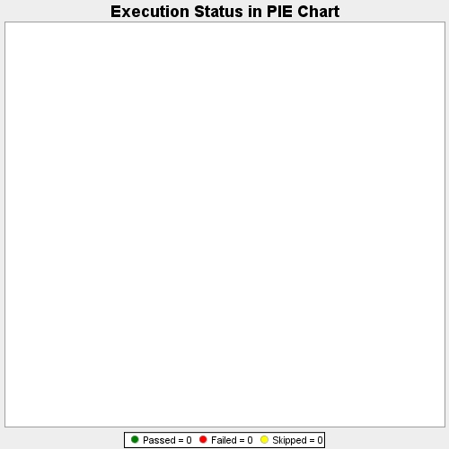
Start Time | 2018-04-24T09:16:12Z
End Time | 2018-04-24T09:16:12Z
Duration | 20 ms

